Top Down Approach
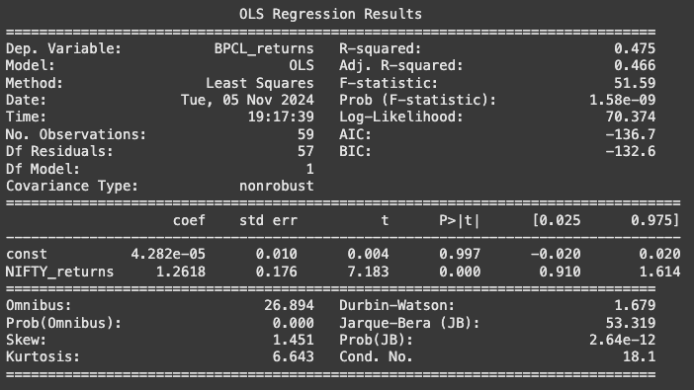
Beta | 1.26184142

Risk Free Rate | 6.973%
Market Return | 13.06%

Cost of Equity | 14.653% | BPCL Money Control Link

Cost of Debt | 7.72%
D/E | 0.608
E/V | 0.6218905473 | BPCL Screener Link
D/V | 0.3781094527

Tax Rate | 26%

WACC | 11.27%

